Assy BOM
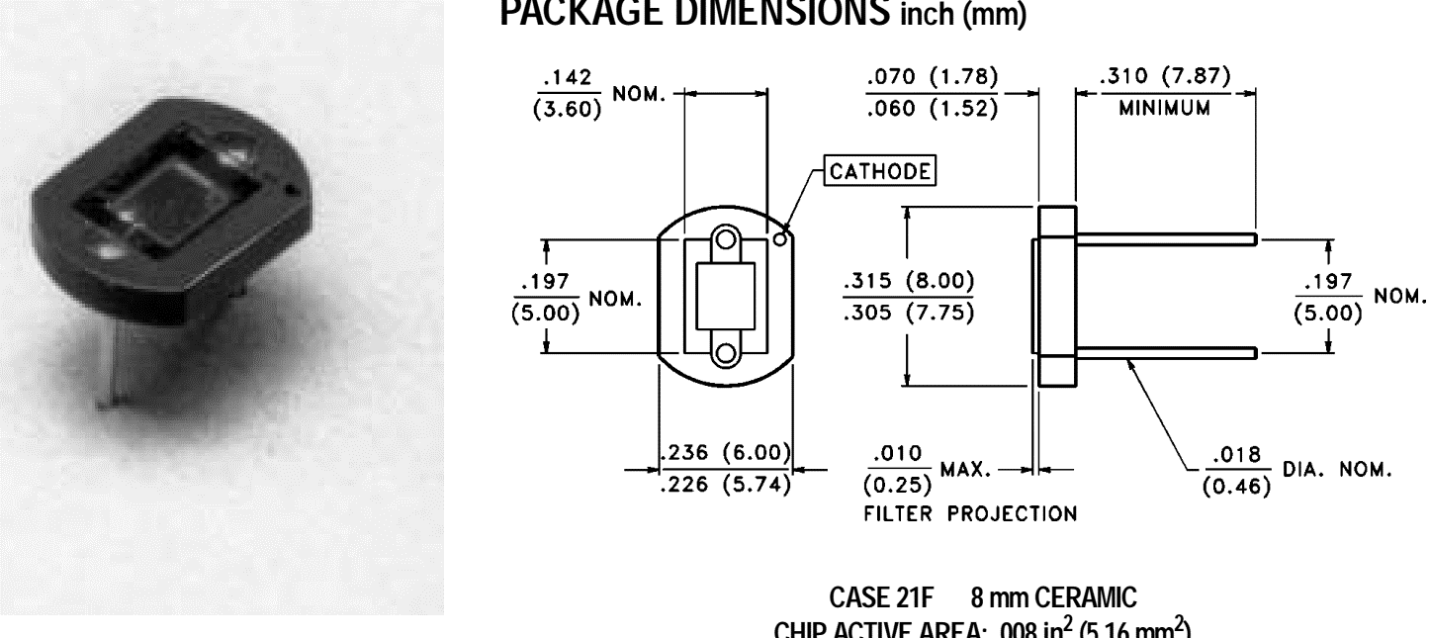
BOM FOR ASSEMBLY |  |  |  |  |  |  |  |  | Referral: | 0 |  |  |  |  |  |  |  |  |  |  | NA,0
 |  |  |  |  |  | "POU LEGEND" "Not Installed (DNI)" "Top & Back(SMT)" "HAND Place (HP)" "SLIDE & WAVE (PTH)" "Hand Solder (HS)" "Final Assembly (FA)" "Pack" "Cable Assm (CA)" |  |  |  |  |  | Notes for Purchasing |  |  |  |  |  |  |  |  | Read_Desc_DB,1
Job #: | 8517L-2 | Cust | PARATA |  |  |  |  |  |  |  |  |  |  |  |  |  |  |  |  |  | Write_Desc_DB, 2
Job Rev: | A | Cust P/N | 320-0121 |  |  |  |  |  |  |  |  |  |  |  |  |  |  |  |  |  | Read_POU_DB, 3
Last Rev: | 2022-09-15 | Cust Rev: | - |  |  |  |  |  |  |  |  |  |  |  |  |  |  |  |  |  | Write_POU_DB, 4
 |  |  |  |  |  |  |  |  |  |  |  |  |  |  |  |  |  |  |  |  | Read_JOB_Note_DB, 5
Notes: | Part Supply:ACI |  |  |  |  |  |  |  |  |  |  | PER ASSY COST TO PURCHASE |  |  | 0.000 |  |  |  |  |  | Write_JOB_Note_DB, 6
 |  |  |  |  |  |  |  |  |  |  |  | TOTAL PURCHASE COST |  |  | 0.000 |  |  |  |  |  | Read_MPN_NOTE_DB, 7
 |  |  |  |  |  |  |  | Build Qty |  |  |  |  |  |  |  |  |  |  |  |  | Write_MPN_NOTE_DB, 8
Line | DESC | MAN | MPN | ACI PN | QTY | POU | LOC | 50 | STK | ORD | ORDD | PAID | DIST | PO | DUE | REC | NOTES | purchasing notes | vendor p/n | cust p/n
5 | SENSOR PHOTODIODE 580NM 2DIP MOD PTH {POLARITY MARKING CATHODE} | Excelitas Technologies | VTB8441BH | 8517L-2-5 | 1 | TH | D1 | 3.410 |  | 51
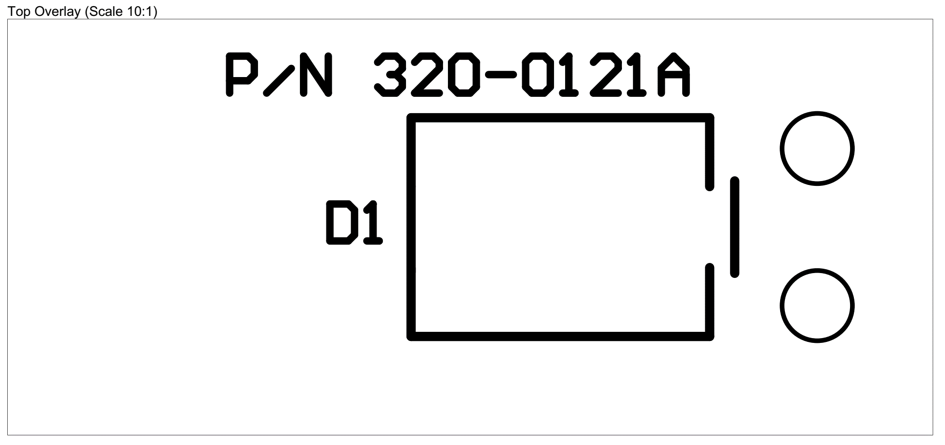

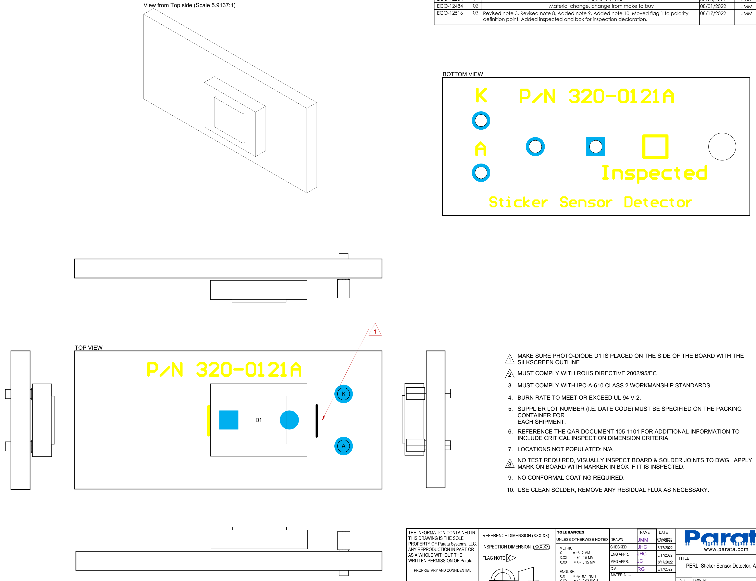

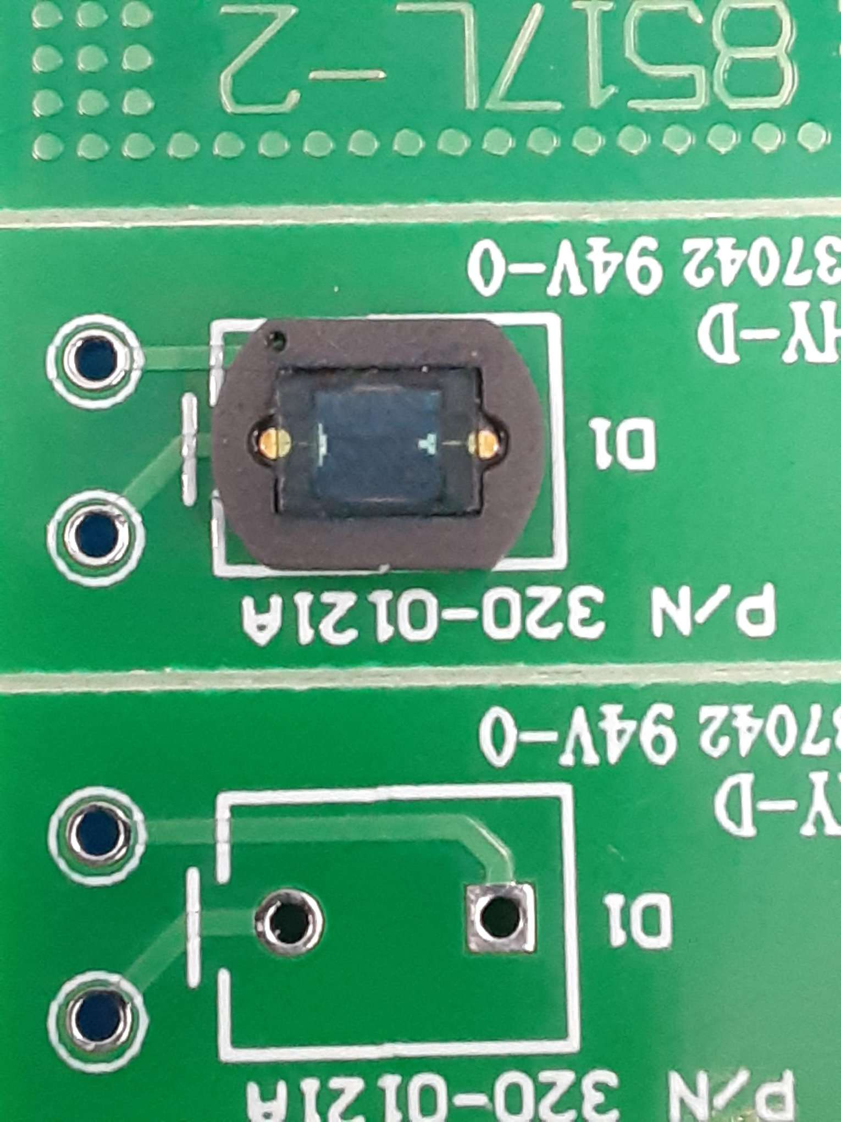
Cathode
Kathode
POLARITY MARK=Cathode

